Sheet1
Vendor | Category | Price | Special Price | Description | Saree Color Names | Design Name | Displayed Image | New Name For Image
ganjianand205@gmail.com | tripura silk sarees | 1200 | 1000 | hello world |  |  | 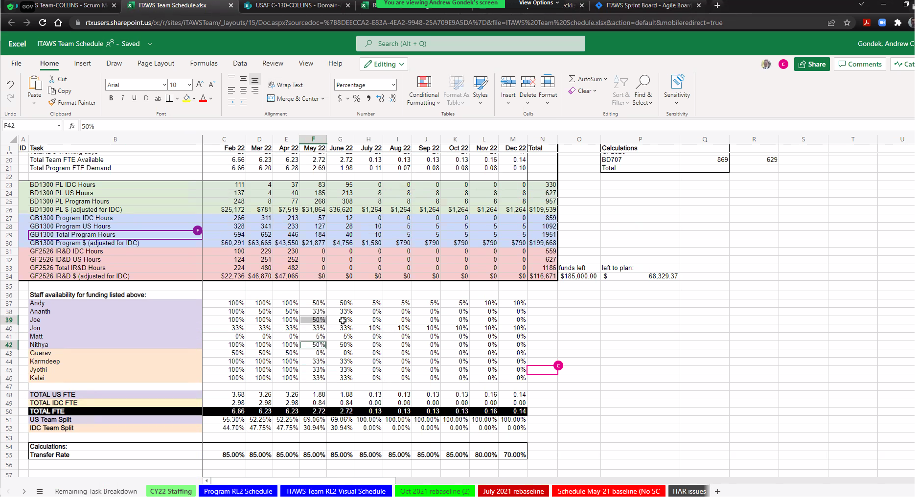 | tripura silk sarees-20220320092100558646.jpg
ganjianand205@gmail.com | tripura silk sarees | 1200 | 1000 | hello world |  |  |  | tripura silk sarees-20220320092100582544.jpg

